GUI CGI SPEC
Xmind
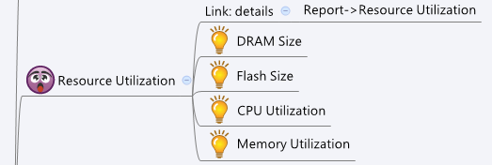

Behavior

[UI Display Name] | [CGI Name] | [JSON Name] | [Description]
DRAM Size | dashboard_resource.cgi | dramSize | Int, size of DRAM in MB
Flash Size | dashboard_resource.cgi | flashSize | Int, size of flash in MB
CPU Utilization | dashboard_resource.cgi | cpuUtilization | float point number, current CPU utilization in %
Memory Utilization | dashboard_resource.cgi | memoryUtilization | float point number, current memory utilization in %

JSON String
dashboard_resource.cgi
## GET ##
{
"dramSize":1024, "flashSize":4096, "cpuUtilization":"10.10", "memoryUtilization":"12.34"
}

